a) Matrix Effect-Recovery
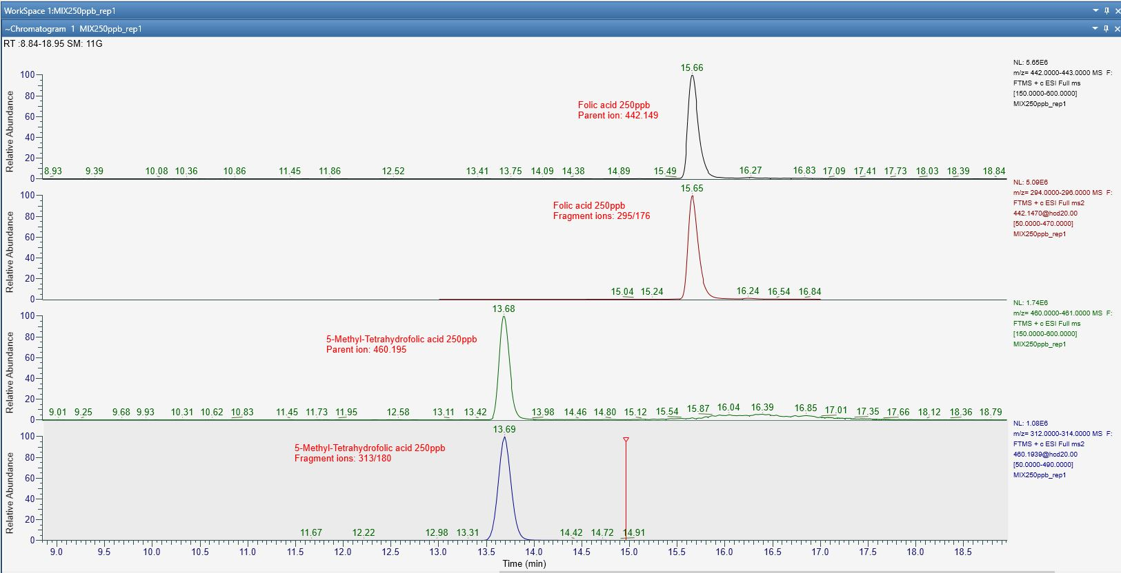
Sample | Folic acid (Area) | 5-MTHF (Area)
Folate MIX (250ppb)_rep1 | 3.80E+07 | 1.00E+07
Folate MIX (250ppb)_rep2 | 3.70E+07 | 1.00E+07
mean AREA | 3.75E+07 | 1.00E+07

Milk-Post spiked 250ppb_rep1 | 3.30E+07 | 1.00E+07
Milk-Post spiked 250ppb_rep2 | 3.50E+07 | 1.05E+07
mean AREA | 3.40E+07 | 1.02E+07

Milk-Pre spiked 250ppb_rep1 | 1.00E+07 | 3.60E+06
Milk-Pre spiked 250ppb_rep2 | 1.10E+07 | 3.50E+06
mean AREA | 1.05E+07 | 3.55E+06
mean (ppb) | 210 | 266

Compounds | Recovery in Milk
Folic acid | 84%
5-Methyl-THF | 106%

Compounds | Milk (matrix effect)*
Folic acid | 91%
5-Methyl-THF | 103%

*values greater than 100% indicate ionization enhancement; values less than 100% indicate ionization suppression

b) Raw Annotations UHPLC-HRMS
Metabolite name | Average Mz | Adduct type | Total score | MS1 isotopic spectrum | ST07-rep1 | ST07-rep2 | ST679-rep1 | ST679-rep2 | UC8085-rep1 | UC8085-rep2 | UC-8089-rep1 | UC-8089-rep2 | ST292-rep1 | ST292-rep2 | ST366-rep1 | ST366-rep2 | ST407-rep1 | ST407-rep2 | ST503-rep1 | ST503-rep2 | ST581-rep1 | ST581-rep2 | ST609-rep1 | ST609-rep2 | ST658-rep1 | ST658-rep2
10-Formyl-THF | 474.23 | [M+H]+ | 100 | 474.22833:231173 475.23168:40822 476.23504:0 | 5.96E+05 | 6.22E+05 | 5.41E+05 | 5.08E+05 | 1.28E+05 | 1.01E+05 | 1.47E+05 | 1.49E+05 | 7.04E+05 | 6.86E+05 | 9.38E+04 | 8.11E+04 | 9.87E+04 | 9.55E+04 | 4.62E+04 | 1.13E+05 | 9.81E+04 | 1.65E+05 | 3.97E+05 | 3.83E+05 | 4.57E+05 | 4.33E+05
5,10-Methenyl-THF | 456.12 | [M+H]+ | 95.8 | 456.12103:82601 457.12438:16893 458.12774:0 | 8.75E+05 | 8.15E+05 | 9.23E+04 | 1.83E+05 | 1.10E+05 | 8.32E+04 | 9.87E+04 | 7.34E+04 | 2.52E+05 | 5.69E+05 | 8.16E+05 | 8.39E+05 | 2.57E+05 | 4.44E+05 | 1.08E+06 | 9.36E+05 | 3.93E+05 | 1.35E+05 | 1.12E+05 | 1.63E+05 | 7.95E+05 | 9.29E+05
5,10-Methylene-THF | 458.28 | [M+H]+ | 99.7 | 458.28192:35085 459.28527:0 460.28863:0 | 0.00E+00 | 0.00E+00 | 1.38E+04 | 1.32E+04 | 0.00E+00 | 0.00E+00 | 0.00E+00 | 0.00E+00 | 0.00E+00 | 0.00E+00 | 0.00E+00 | 0.00E+00 | 0.00E+00 | 0.00E+00 | 0.00E+00 | 0.00E+00 | 0.00E+00 | 0.00E+00 | 0.00E+00 | 0.00E+00 | 0.00E+00 | 0.00E+00
5-Methyl-THF | 460.21 | [M+H]+ | 100 | 460.1987:19926 461.20205:562350 462.20541:60114 | 9.91E+04 | 1.63E+05 | 6.03E+04 | 1.24E+05 | 5.55E+04 | 1.17E+05 | 7.45E+04 | 1.21E+05 | 6.87E+04 | 6.45E+04 | 7.61E+04 | 1.67E+05 | 9.95E+04 | 1.00E+05 | 6.24E+04 | 7.00E+04 | 2.50E+04 | 4.51E+04 | 1.06E+04 | 1.80E+04 | 5.79E+04 | 6.19E+04
Dihydrofolate | 444.21 | [M+H]+ | 98.5 | 444.21213:775197 445.21548:296302 446.21884:137204 | 3.36E+05 | 3.62E+05 | 1.48E+04 | 2.01E+04 | 3.77E+06 | 3.07E+06 | 5.95E+05 | 5.51E+05 | 7.54E+04 | 1.59E+05 | 1.92E+05 | 7.09E+04 | 9.32E+04 | 7.44E+04 | 3.19E+04 | 6.10E+04 | 6.52E+04 | 6.60E+04 | 1.01E+05 | 9.04E+04 | 9.00E+04 | 8.72E+04
Folate | 442.21 | [M+H]+ | 98.5 | 442.21219:35426 443.21554:471516 444.2189:69948 | 9.43E+04 | 9.83E+04 | 1.40E+05 | 1.42E+05 | 5.04E+04 | 5.45E+04 | 5.67E+05 | 5.30E+05 | 1.49E+05 | 1.39E+05 | 1.19E+05 | 9.95E+04 | 9.44E+04 | 1.03E+05 | 9.22E+04 | 1.50E+05 | 8.58E+04 | 8.56E+04 | 3.82E+04 | 2.64E+04 | 1.38E+06 | 1.36E+06
Tetrahydrofolate | 446.23 | [M+H]+ | 99.8 | 446.22601:1731502 447.22936:284191 448.23272:96267 | 2.74E+04 | 2.71E+04 | 1.27E+04 | 1.51E+04 | 3.25E+04 | 2.71E+04 | 2.04E+02 | 2.04E+02 | 3.00E+03 | 3.05E+03 | 1.32E+04 | 7.54E+03 | 2.04E+03 | 2.04E+03 | 1.14E+04 | 1.30E+04 | 1.03E+04 | 7.60E+03 | 2.12E+03 | 3.68E+03 | 6.59E+05 | 6.75E+05

Metabolite name | Average Mz | Adduct type | Total score | MS1 isotopic spectrum | YCB1-T0_rep1 | YCB1-T0_rep2 | YCB1-T7_rep1 | YCB1-T7_rep2 | YCB1-T14_rep1 | YCB1-T14_rep2 | YCB2-T0_rep1 | YCB2-T0_rep2 | YCB2-T7_rep1 | YCB2-T7_rep2 | YCB2-T14_rep1 | YCB2-T14_rep2 | YCB3-T0_rep1 | YCB3-T0_rep2 | YCB3-T7_rep1 | YCB3-T7_rep2 | YCB3-T14_rep1 | YCB3-T14_rep2 | YCOM-T0_rep1 | YCOM-T0_rep2 | YCOM-T7_rep1 | YCOM-T7_rep2 | YCOM-T14_rep1 | YCOM-T14_rep2
10-Formyl-THF | 474.23 | [M+H]+ | 99.7 | 474.23584:170107 475.23919:0 476.24255:14397 | 2.29E+04 | 3.23E+04 | 5.46E+05 | 9.25E+05 | 3.55E+05 | 1.19E+06 | 1.76E+04 | 3.95E+04 | 8.16E+05 | 7.52E+05 | 9.79E+05 | 7.13E+05 | 6.90E+04 | 6.26E+04 | 5.79E+05 | 6.84E+05 | 3.35E+05 | 9.46E+05 | 2.09E+04 | 6.65E+03 | 1.03E+04 | 4.34E+03 | 6.68E+04 | 4.92E+04
5,10-Methylene-THF | 458.27 | [M+H]+ | 99.3 | 458.27145:67281 459.2748:45278 460.27816:8524 | 2.70E+05 | 3.03E+05 | 1.94E+05 | 3.30E+05 | 7.05E+05 | 2.76E+05 | 2.61E+05 | 2.48E+05 | 4.74E+05 | 5.49E+05 | 3.59E+05 | 4.05E+05 | 3.51E+05 | 2.68E+05 | 2.69E+05 | 4.61E+05 | 1.78E+05 | 1.92E+05 | 1.16E+04 | 1.78E+04 | 5.80E+03 | 1.67E+04 | 6.47E+03 | 8.38E+03
5-Methyl-THF | 460.20 | [M+H]+ | 99.8 | 460.20483:123220 461.20818:19132 462.21154:20037 | 0.00E+00 | 0.00E+00 | 2.37E+04 | 5.84E+03 | 9.00E+03 | 7.83E+04 | 2.51E+03 | 2.51E+03 | 5.72E+03 | 1.15E+04 | 1.14E+04 | 7.40E+04 | 0.00E+00 | 0.00E+00 | 1.01E+04 | 1.57E+04 | 3.86E+04 | 5.24E+04 | 0.00E+00 | 0.00E+00 | 0.00E+00 | 0.00E+00 | 0.00E+00 | 0.00E+00
Dihydrofolate | 444.20 | [M+H]+ | 99.7 | 444.20065:57262 445.204:0 446.20736:43589 | 5.89E+04 | 4.89E+04 | 5.90E+04 | 7.81E+04 | 4.57E+04 | 2.67E+04 | 2.92E+04 | 8.94E+04 | 5.14E+04 | 6.45E+04 | 6.00E+04 | 4.62E+04 | 6.61E+04 | 6.76E+04 | 9.01E+04 | 6.74E+04 | 9.62E+04 | 9.48E+04 | 4.63E+04 | 1.40E+04 | 5.74E+04 | 1.04E+05 | 9.92E+04 | 7.74E+04
Folate | 442.19 | [M+H]+ | 99.3 | 442.19135:749780 443.1947:1238132 444.19806:336200 | 8.42E+03 | 1.79E+04 | 2.07E+04 | 6.10E+02 | 1.47E+05 | 1.89E+04 | 2.11E+04 | 2.66E+04 | 6.45E+04 | 4.18E+04 | 1.18E+05 | 5.83E+04 | 6.10E+03 | 8.42E+03 | 3.52E+04 | 5.77E+04 | 3.93E+04 | 4.79E+04 | 5.78E+05 | 1.95E+05 | 3.57E+05 | 1.49E+05 | 1.86E+05 | 1.67E+05
Tetrahydrofolate | 446.22 | [M+H]+ | 99.2 | 446.22119:421732 447.22454:86053 448.2279:26818 | 2.24E+05 | 1.24E+05 | 2.51E+06 | 2.50E+06 | 3.19E+06 | 2.89E+06 | 2.48E+05 | 8.91E+04 | 2.69E+06 | 2.63E+06 | 2.86E+06 | 2.94E+06 | 1.83E+05 | 2.53E+05 | 2.82E+06 | 2.90E+06 | 3.34E+06 | 3.35E+06 | 4.76E+05 | 4.82E+05 | 7.03E+05 | 6.78E+05 | 9.76E+05 | 1.05E+06

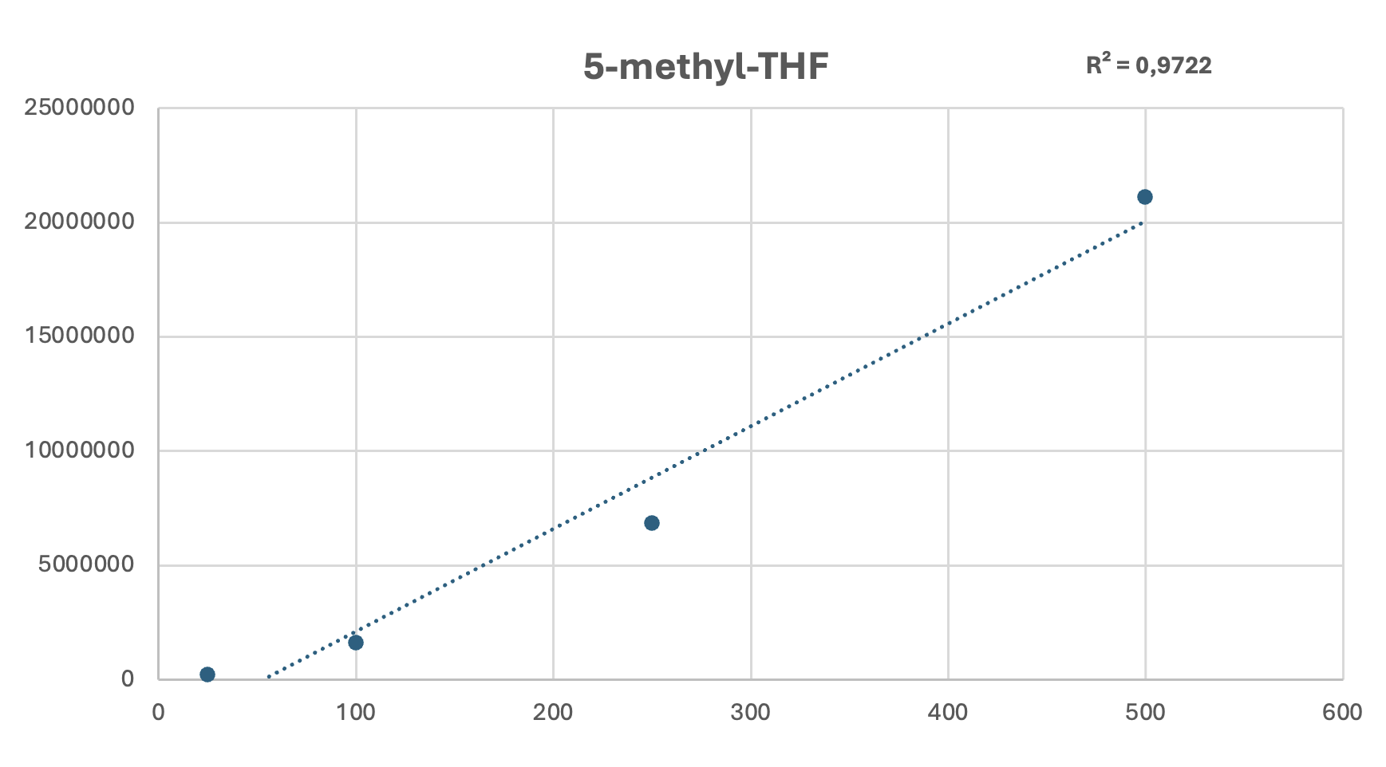

Calibration plot 5-Methyl-THF (25-500 ppb)

c) Heat map milk
